Sheet2
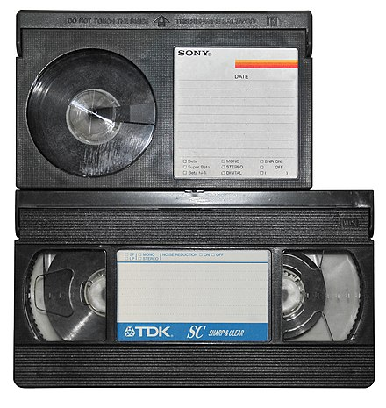
CT&DT - SPSU - "BRAINSTORMERS" -TASK #01
TASK#01 - PRODUCT FAILURE ANALYSIS
PRODUCT - BETAMAX
ABOUT THE PRODUCT - IT IS A VIDEOTAPE FORMAT DEVELOPED BY SONY IN MID 1970s
FAILURE REASONS :
1. SHORT RECORDING TIME : Offers recording time of about 1 hour compared to VHS which provides 2 hours and later more.
2. PLAYBACK ISSUES : Issues include tape jamming , mechanical failures, tracking misalignment, tape degradation , aging components.
3. LIMITED EDITING CAPABILITIES : Lacking advanced features like frame accurate editing , precise scene cutting and later digital technologies .
4. HIGHER PRICES : VHS players and tapes were generally cheaper than betamax products , making them more accessible to the average consumer.
5. LACK OF LICENSING AND WIDER SUPPORT : Sony 's strict licensing strategy for betamax limited its production to a few manufacturers.
CONCLUSION : DESPITE ITS SUPERIOR PICTURE QUALITY AND BUILD, BETAMAX FAILED DUE TO STRATEGIC MISSTEPS.

TEAM MEMBERS:
HARSHITA JAIN
K.AKHIL
YESHWANTH REDDY
ANJANEYULU
CHAITHANYA

